Sheet1
 |  | Document No. | Issue No. | Issue Date |  | Review and Replace Date |  | Authorised By
 |  | GFF311MC | 3 | 20.09.2021 |  | 16.11.2021
 |  | Document Title | BROCCOLI AND BUTTERNUT SQUASH DHAL WITH BROWN RICE 400G
 |  | Film changed to K Peel 3G 25µm |  |  | Page |  | 1 of 1 | Magda Shah
Document amendments reason for change |  |  |  |  | Previous Issue Date |  | 13.10.2021 | Uncontrolled copy unless signed original

FVDBSR1-R8TMC | MINDFUL CHEF |  | BROCCOLI AND BUTTERNUT SQUASH DHAL & BROWN RICE 400G | FROZEN
STEP 1 |  |  |  |  | STEP 2
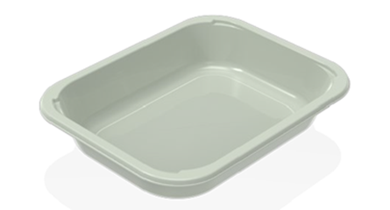 |  |  |  |  | 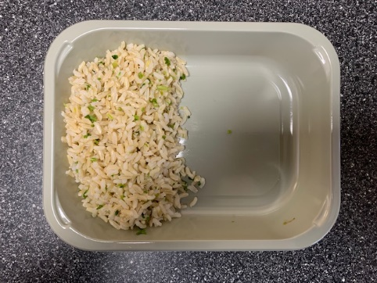

PACK DAY + 1 YEAR
NON-MAP PACK

Tray: EVOLVE CPET 2200-1E FROST (PKRHP001-15) |  |  |  |  | Brown Rice (MC) (GFF255R): 100g
Film:K Peel 3G 25µm (275mmX1000lm)-PKKMP001-04
STEP 3 |  |  |  |  | STEP 4
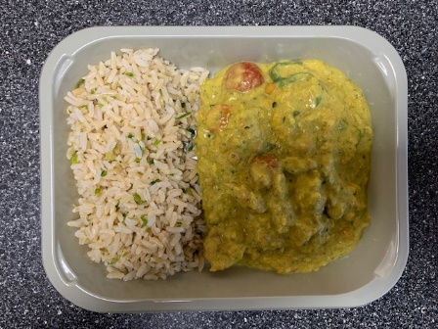 |  |  |  |  | 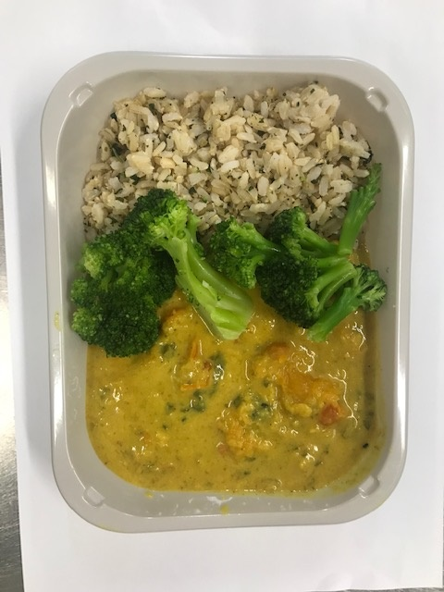

Spinach Dhal (MC) (GFF384R): 250g |  |  |  |  | Steamed Broccoli Florets (MC) (GFF291R) 50g |  |  |  | TOTAL WEIGHT: 400g

ALLERGY ALERT: none

